Maestro
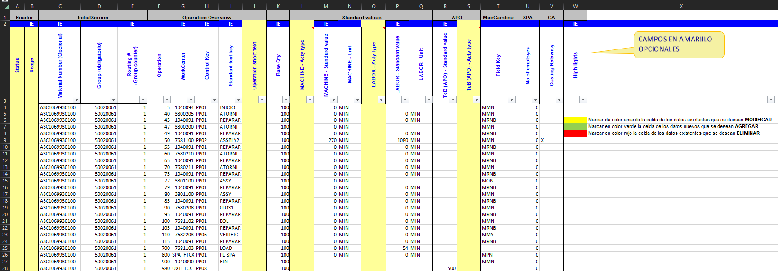
Download and place routes in Standar Template
Select the option you want to execute
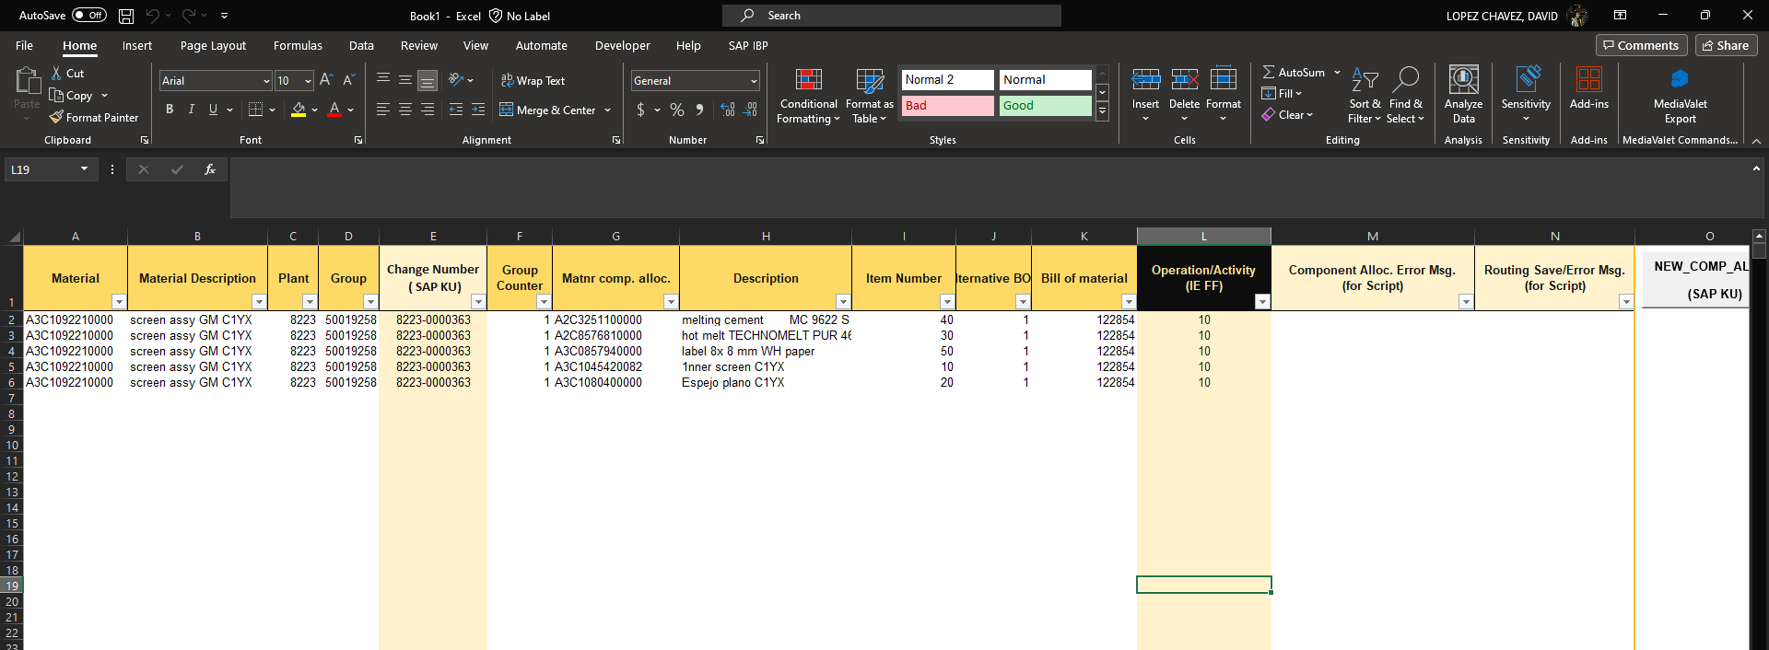
Download and place component allocation in Standar Template
Enter your part numbers for component alloc and routes

 | |




WAIT THE MACRO IS RUNNING
AVAILABLE TO EXECUTE
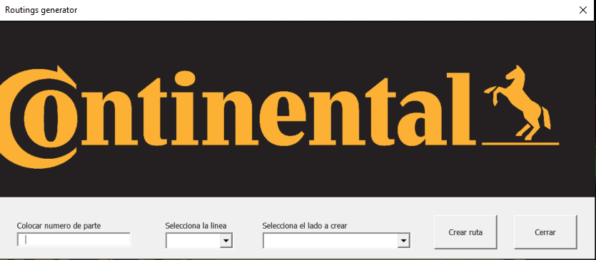
New SMT Routings in Standar Template
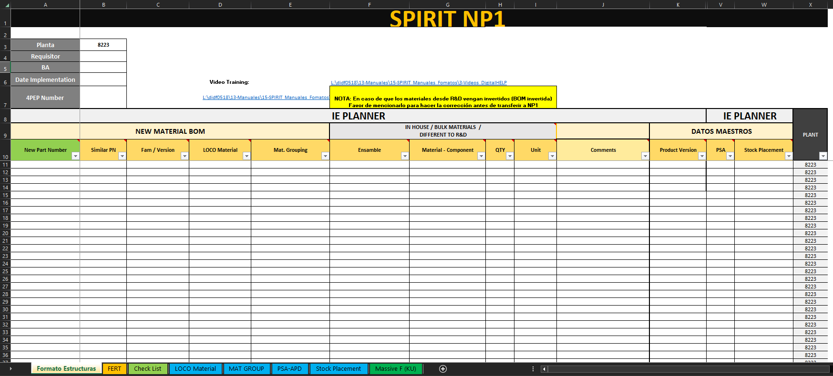
Download and place Structures format in Standar Template
Engineering Change Structure Template

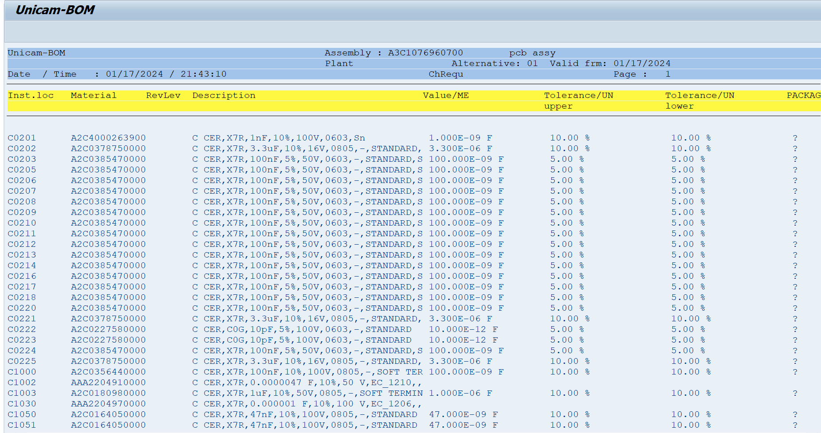
Descargar BOMs con referencias
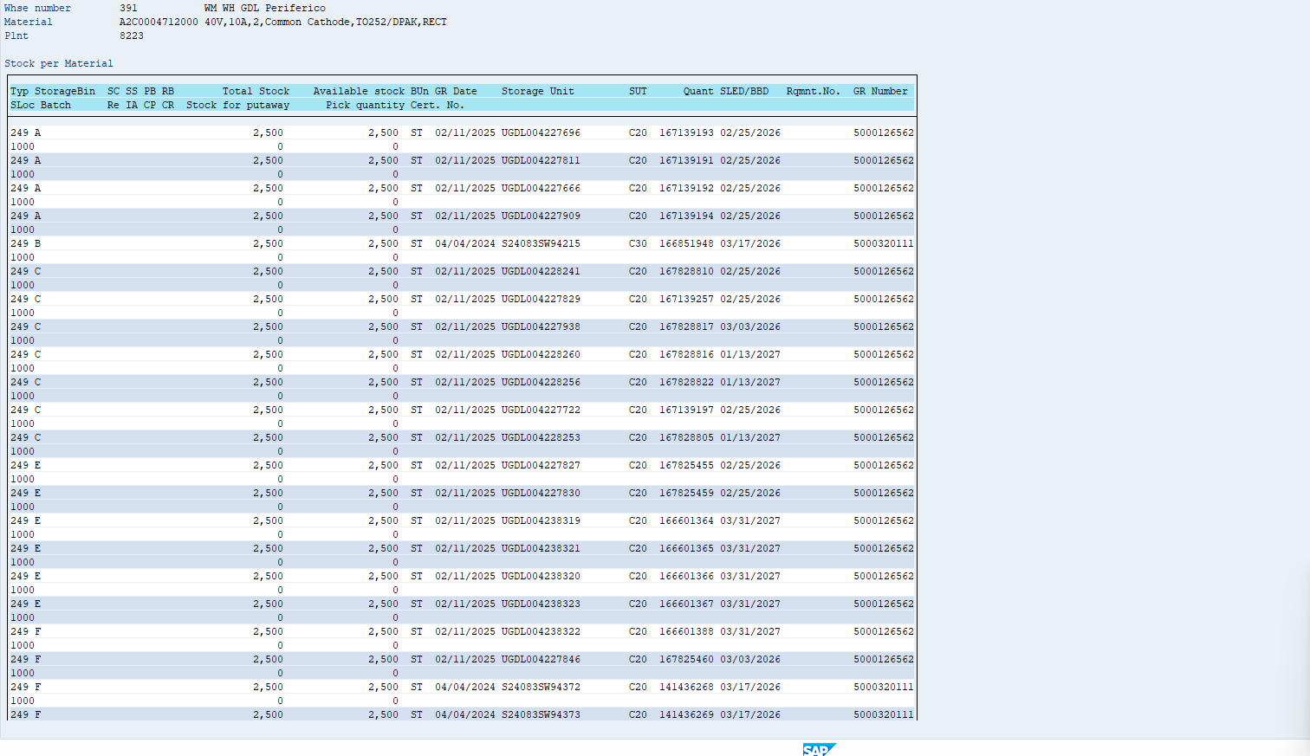
Stock de materiales LS24

Estructuras

FERT |  | Mechanical HALB |  | PCB Assy |  | PCB TOP |  | PCB BOTTOM |  | MICRO |  | SUBENSAMBLES |  | SUMARY
Similar | New Part Number | Similar | New Part Number | Similar | New Part Number | Similar | New Part Number | Similar | New Part Number | Similar | New Part Number | Similar | New Part Number | Similar | New Part Number

